Optimiser
Name:
 | HARVESTER MAKE |  | OWNER |  |  | YEAR

ROLLER 1 | Displacement |  |  | TOP CHOPPER DRUM | Series |  | CALCULATIONS
 | Serial No. |  |  |  | Serial No.
 | Diameter (mm) |  |  |  | Displacement |  | FEEDTRAIN |  | BUTTLIFTER
 | Speed (RPM) |  |  |  | Speed (RPM) |  | Average Roller Speed (m per minute) | 0 | Average Buttlifter Speed (m per minute) | 0
 | Speed (m per minute) | 0 |  |  | Tip Diameter (mm) |  | Chopper Tip Speed | 0 | Average Roller Speed (m per minute) | 0
ROLLER 2 | Displacement |  |  | BOTTOM CHOPPER DRUM | Series |  | Feedtrain : Chopper Ratio | 0% | Buttlifter : Feedtrain Ratio | 0%
 | Serial No. |  |  |  | Serial No.
 | Speed (RPM) |  |  |  | Displacement
 | Speed (m per minute) | 0 |  |  | Speed (RPM)
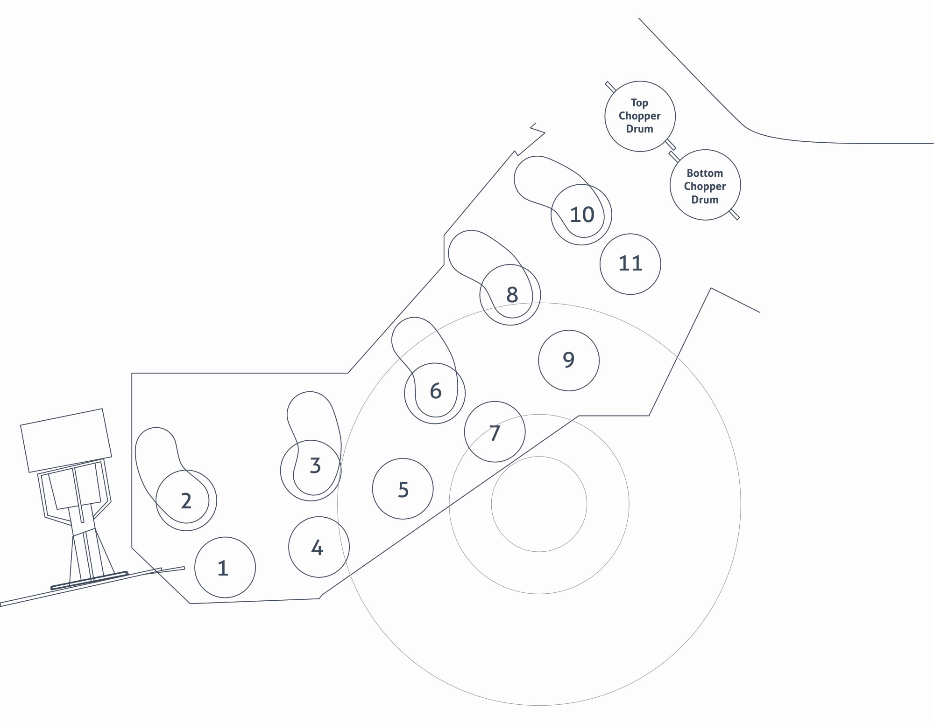
ROLLER 3 | Displacement |  |  |  | Tip Diameter (mm)
 | Serial No. |  |  | ALL ROLLERS | Motor Series
 | Speed (RPM)
 | Speed (m per minute) | 0 |  |  | Roller Diameter
ROLLER 4 | Displacement
 | Serial No.
 | Speed (RPM)
 | Speed (m per minute) | 0
ROLLER 5 | Displacement
 | Serial No.
 | Speed (RPM)
 | Speed (m per minute) | 0
ROLLER 6 | Displacement
 | Serial No.
 | Speed (RPM)
 | Speed (m per minute) | 0
ROLLER 7 | Displacement
 | Serial No.
 | Speed (RPM)
 | Speed (m per minute) | 0
ROLLER 8 | Displacement
 | Serial No.
 | Speed (RPM)
 | Speed (m per minute) | 0
ROLLER 9 | Displacement
 | Serial No.
 | Speed (RPM)
 | Speed (m per minute) | 0
ROLLER 10 | Displacement
 | Serial No.
 | Speed (RPM)
 | Speed (m per minute) | 0
ROLLER 11 | Displacement
 | Serial No.
 | Speed (RPM)
 | Speed (m per minute) | 0

