Sheet1
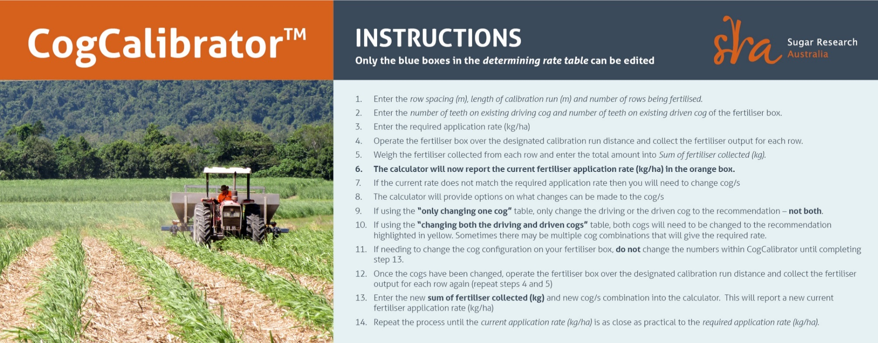

DETERMINING CURRENT RATE |  |  |  |  |  |  |  |  |  |  | ONLY CHANGING ONE COG
Row space (m) |  |  |  |  |  |  |  | 1.8 |  |  | Number of teeth required if changing driving cog only |  |  |  |  |  |  |  |  |  | 13
Length of calibration run (m) |  |  |  |  |  |  |  | 50 |  |  | While keeping the driven cog constant at |  |  |  |  |  |  |  |  |  | 16
Number of rows being fertilised |  |  |  |  |  |  |  | 3 |  |  | OR
Sum of fertiliser collected (kg) |  |  |  |  |  |  |  | 17 |  |  | Number of teeth required if changing driven cog only |  |  |  |  |  |  |  |  |  | 20
Required application rate (kg/ha) |  |  |  |  |  |  |  | 500 |  |  | While keeping the driving cog constant at |  |  |  |  |  |  |  |  |  | 17
Number of teeth on existing driving cog |  |  |  |  |  |  |  | 17 |  |  | OR
Number of teeth on existing driven cog |  |  |  |  |  |  |  | 16
 |  |  |  |  |  |  |  | 37 |  |  | CHANGING BOTH THE DRIVING AND DRIVEN COGS
Current application rate (kg/ha) |  |  |  |  |  |  |  | 630 |  |  | Current ratio |  |  |  |  |  |  |  |  |  | 1.063
 |  |  |  |  |  |  |  |  |  |  | Ratio required from table below |  |  |  |  |  |  |  |  |  | 0.844

RATIOS WHEN CHANGING BOTH THE DRIVING AND DRIVEN COGS
 | DRIVING COG
DRIVEN COG |  | 10 | 11 | 12 | 13 | 14 | 15 | 16 | 17 | 18 | 19 | 20 | 21 | 22 | 23 | 24 | 25 | 26 | 27 | 28 | 29 | 30
 | 10 | 1.000 | 1.100 | 1.200 | 1.300 | 1.400 | 1.500 | 1.600 | 1.700 | 1.800 | 1.900 | 2.000 | 2.100 | 2.200 | 2.300 | 2.400 | 2.500 | 2.600 | 2.700 | 2.800 | 2.900 | 3.000
 | 11 | 0.909 | 1.000 | 1.091 | 1.182 | 1.273 | 1.364 | 1.455 | 1.545 | 1.636 | 1.727 | 1.818 | 1.909 | 2.000 | 2.091 | 2.182 | 2.273 | 2.364 | 2.455 | 2.545 | 2.636 | 2.727
 | 12 | 0.833 | 0.917 | 1.000 | 1.083 | 1.167 | 1.250 | 1.333 | 1.417 | 1.500 | 1.583 | 1.667 | 1.750 | 1.833 | 1.917 | 2.000 | 2.083 | 2.167 | 2.250 | 2.333 | 2.417 | 2.500
 | 13 | 0.769 | 0.846 | 0.923 | 1.000 | 1.077 | 1.154 | 1.231 | 1.308 | 1.385 | 1.462 | 1.538 | 1.615 | 1.692 | 1.769 | 1.846 | 1.923 | 2.000 | 2.077 | 2.154 | 2.231 | 2.308
 | 14 | 0.714 | 0.786 | 0.857 | 0.929 | 1.000 | 1.071 | 1.143 | 1.214 | 1.286 | 1.357 | 1.429 | 1.500 | 1.571 | 1.643 | 1.714 | 1.786 | 1.857 | 1.929 | 2.000 | 2.071 | 2.143
 | 15 | 0.667 | 0.733 | 0.800 | 0.867 | 0.933 | 1.000 | 1.067 | 1.133 | 1.200 | 1.267 | 1.333 | 1.400 | 1.467 | 1.533 | 1.600 | 1.667 | 1.733 | 1.800 | 1.867 | 1.933 | 2.000
 | 16 | 0.625 | 0.688 | 0.750 | 0.813 | 0.875 | 0.938 | 1.000 | 1.063 | 1.125 | 1.188 | 1.250 | 1.313 | 1.375 | 1.438 | 1.500 | 1.563 | 1.625 | 1.688 | 1.750 | 1.813 | 1.875
 | 17 | 0.588 | 0.647 | 0.706 | 0.765 | 0.824 | 0.882 | 0.941 | 1.000 | 1.059 | 1.118 | 1.176 | 1.235 | 1.294 | 1.353 | 1.412 | 1.471 | 1.529 | 1.588 | 1.647 | 1.706 | 1.765
 | 18 | 0.556 | 0.611 | 0.667 | 0.722 | 0.778 | 0.833 | 0.889 | 0.944 | 1.000 | 1.056 | 1.111 | 1.167 | 1.222 | 1.278 | 1.333 | 1.389 | 1.444 | 1.500 | 1.556 | 1.611 | 1.667
 | 19 | 0.526 | 0.579 | 0.632 | 0.684 | 0.737 | 0.789 | 0.842 | 0.895 | 0.947 | 1.000 | 1.053 | 1.105 | 1.158 | 1.211 | 1.263 | 1.316 | 1.368 | 1.421 | 1.474 | 1.526 | 1.579
 | 20 | 0.500 | 0.550 | 0.600 | 0.650 | 0.700 | 0.750 | 0.800 | 0.850 | 0.900 | 0.950 | 1.000 | 1.050 | 1.100 | 1.150 | 1.200 | 1.250 | 1.300 | 1.350 | 1.400 | 1.450 | 1.500
 | 21 | 0.476 | 0.524 | 0.571 | 0.619 | 0.667 | 0.714 | 0.762 | 0.810 | 0.857 | 0.905 | 0.952 | 1.000 | 1.048 | 1.095 | 1.143 | 1.190 | 1.238 | 1.286 | 1.333 | 1.381 | 1.429
 | 22 | 0.455 | 0.500 | 0.545 | 0.591 | 0.636 | 0.682 | 0.727 | 0.773 | 0.818 | 0.864 | 0.909 | 0.955 | 1.000 | 1.045 | 1.091 | 1.136 | 1.182 | 1.227 | 1.273 | 1.318 | 1.364
 | 23 | 0.435 | 0.478 | 0.522 | 0.565 | 0.609 | 0.652 | 0.696 | 0.739 | 0.783 | 0.826 | 0.870 | 0.913 | 0.957 | 1.000 | 1.043 | 1.087 | 1.130 | 1.174 | 1.217 | 1.261 | 1.304
 | 24 | 0.417 | 0.458 | 0.500 | 0.542 | 0.583 | 0.625 | 0.667 | 0.708 | 0.750 | 0.792 | 0.833 | 0.875 | 0.917 | 0.958 | 1.000 | 1.042 | 1.083 | 1.125 | 1.167 | 1.208 | 1.250
 | 25 | 0.400 | 0.440 | 0.480 | 0.520 | 0.560 | 0.600 | 0.640 | 0.680 | 0.720 | 0.760 | 0.800 | 0.840 | 0.880 | 0.920 | 0.960 | 1.000 | 1.040 | 1.080 | 1.120 | 1.160 | 1.200
 | 26 | 0.385 | 0.423 | 0.462 | 0.500 | 0.538 | 0.577 | 0.615 | 0.654 | 0.692 | 0.731 | 0.769 | 0.808 | 0.846 | 0.885 | 0.923 | 0.962 | 1.000 | 1.038 | 1.077 | 1.115 | 1.154
 | 27 | 0.370 | 0.407 | 0.444 | 0.481 | 0.519 | 0.556 | 0.593 | 0.630 | 0.667 | 0.704 | 0.741 | 0.778 | 0.815 | 0.852 | 0.889 | 0.926 | 0.963 | 1.000 | 1.037 | 1.074 | 1.111
 | 28 | 0.357 | 0.393 | 0.429 | 0.464 | 0.500 | 0.536 | 0.571 | 0.607 | 0.643 | 0.679 | 0.714 | 0.750 | 0.786 | 0.821 | 0.857 | 0.893 | 0.929 | 0.964 | 1.000 | 1.036 | 1.071
 | 29 | 0.345 | 0.379 | 0.414 | 0.448 | 0.483 | 0.517 | 0.552 | 0.586 | 0.621 | 0.655 | 0.690 | 0.724 | 0.759 | 0.793 | 0.828 | 0.862 | 0.897 | 0.931 | 0.966 | 1.000 | 1.034
 | 30 | 0.333 | 0.367 | 0.400 | 0.433 | 0.467 | 0.500 | 0.533 | 0.567 | 0.600 | 0.633 | 0.667 | 0.700 | 0.733 | 0.767 | 0.800 | 0.833 | 0.867 | 0.900 | 0.933 | 0.967 | 1.000

© Copyright 2018 by Sugar Research Australia Limited. All rights reserved. No part of SRA CogCalibrator (the tool and materials), may be reproduced, stored in a retrieval system, or transmitted in any form or by any means, electronic, mechanical, photocopying, recording, or otherwise, without the prior permission of Sugar Research Australia Ltd.

Disclaimer: In this disclaimer a reference to ‘SRA’, ‘we’, ‘us’ or ‘our’ means Sugar Research Australia Limited and our directors, officers, agents and employees. Although we do our very best to present information that is correct and accurate, we make no warranties, guarantees or representations about the suitability, reliability, currency or accuracy of the information we present in this publication, for any purposes. Subject to any terms implied by law and which cannot be excluded, we accept no responsibility for any loss, damage, cost or expense incurred by you as a result of the use of, or reliance on, any materials and information appearing in this publication. You, the user, accept sole responsibility and risk associated with the use and results of the information appearing in this publication, and you agree that we will not be liable for any loss or damage whatsoever (including through negligence) arising out of, or in connection with the use of this publication. We recommend that you contact our staff before acting on any information provided in this publication. Warning: Our tests, inspections and recommendations should not be relied on without further, independent inquiries. They may not be accurate, complete or applicable for your particular needs for many reasons, including (for example) SRA being unaware of other matters relevant to individual crops, the analysis of unrepresentative samples or the influence of environmental, managerial or other factors on production.

